Roughness
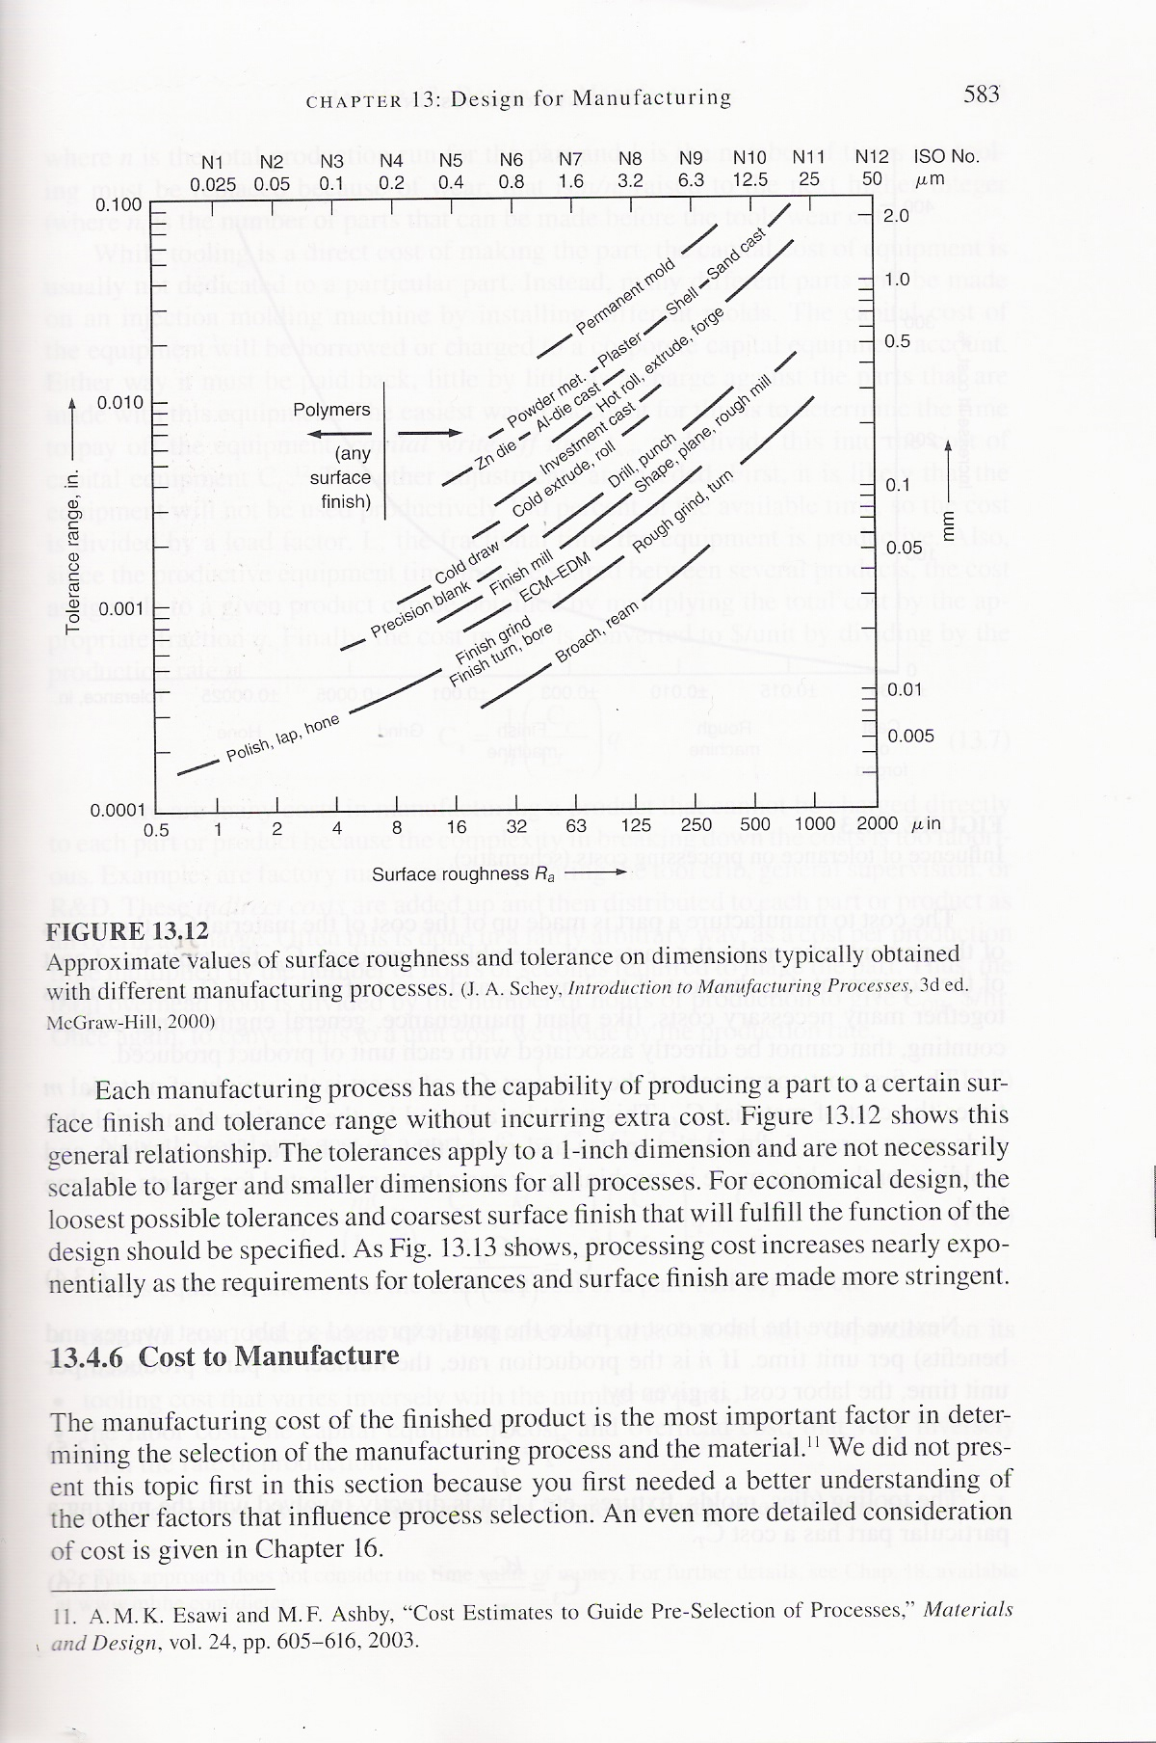
Según datos de Dieter

 | Typical values for Surface Roughness
Description | N-value | Ra µin | Ra µm | Typical Application in design

